Metrics and Plots
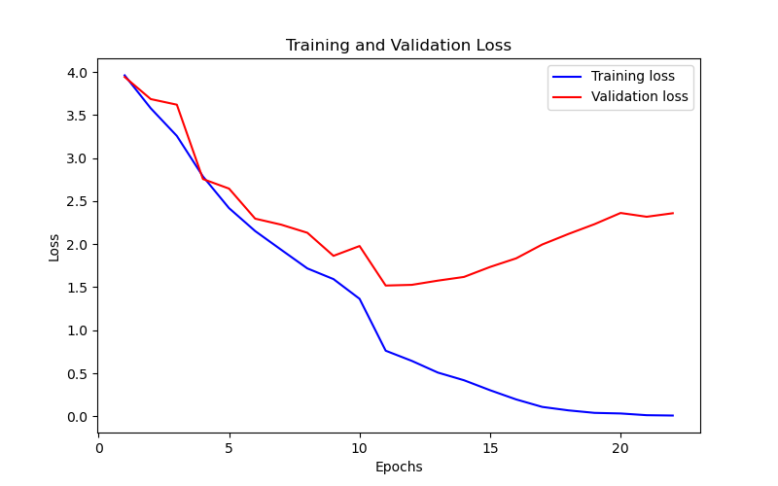
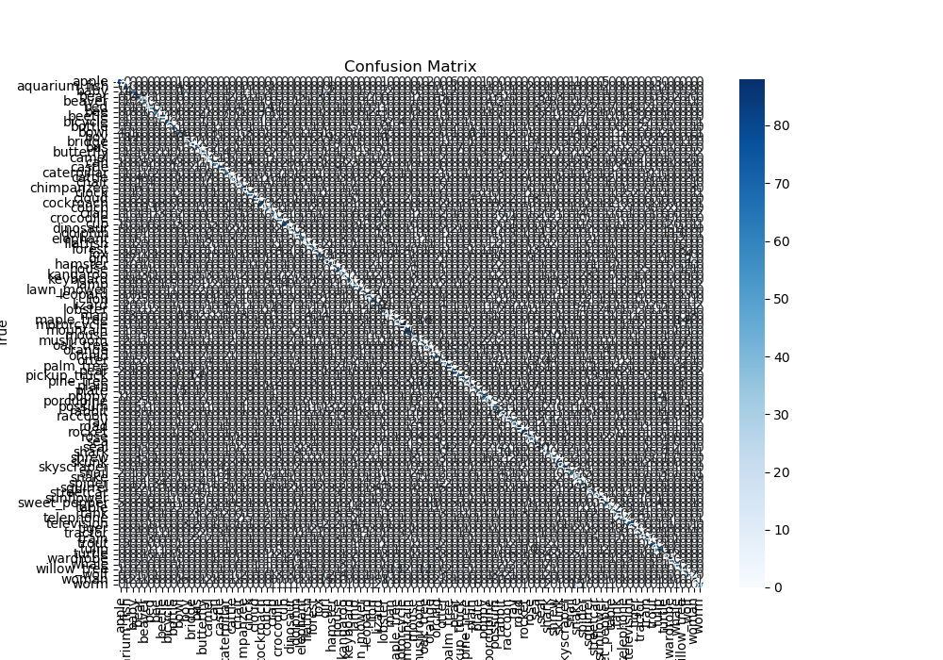
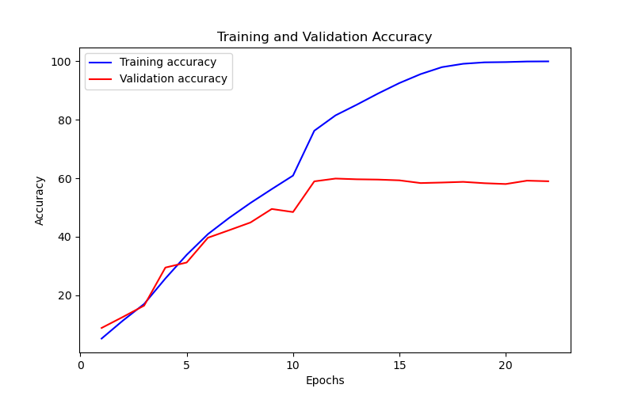
Epoch | Train Accuracy | Train Loss | Validation Accuracy | Validation Loss
1 | 5.18 | 3.961 | 8.81 | 3.942
2 | 11.32 | 3.578 | 12.57 | 3.685
3 | 17.01 | 3.257 | 16.45 | 3.62
4 | 25.73 | 2.786 | 29.46 | 2.756
5 | 33.8 | 2.418 | 31.19 | 2.645
6 | 40.9 | 2.152 | 39.66 | 2.296
7 | 46.46 | 1.934 | 42.24 | 2.226
8 | 51.55 | 1.718 | 44.87 | 2.132
9 | 56.28 | 1.594 | 49.49 | 1.864
10 | 60.9 | 1.365 | 48.44 | 1.978
11 | 76.24 | 0.762 | 58.93 | 1.519
12 | 81.5 | 0.644 | 59.89 | 1.527
13 | 85.15 | 0.508 | 59.64 | 1.576
14 | 88.97 | 0.419 | 59.54 | 1.619
15 | 92.54 | 0.303 | 59.28 | 1.735
16 | 95.6 | 0.196 | 58.35 | 1.835
17 | 97.98 | 0.109 | 58.53 | 1.996
18 | 99.13 | 0.069 | 58.76 | 2.118
19 | 99.62 | 0.04 | 58.3 | 2.232
20 | 99.71 | 0.033 | 58.02 | 2.362
21 | 99.91 | 0.013 | 59.17 | 2.318
22 | 99.95 | 0.009 | 58.97 | 2.359

